Sheet6
1 | Total email ids for which mail has sent in Jan 23 | 63911978
2 | Total number of cust_id which are not got assigned to email_ids | 3040252 | These many email ids are not present in database kohls-bda-prd.dp_customer.bqth_cust_email_pref_xref
3 | overall_trip_cnt | 25252495
4 | months_to_last_transaction | 27170858
5 | cust_age | 27210226
6 | med_incm | 29395984
7 | kohls_card_holder | 25252495
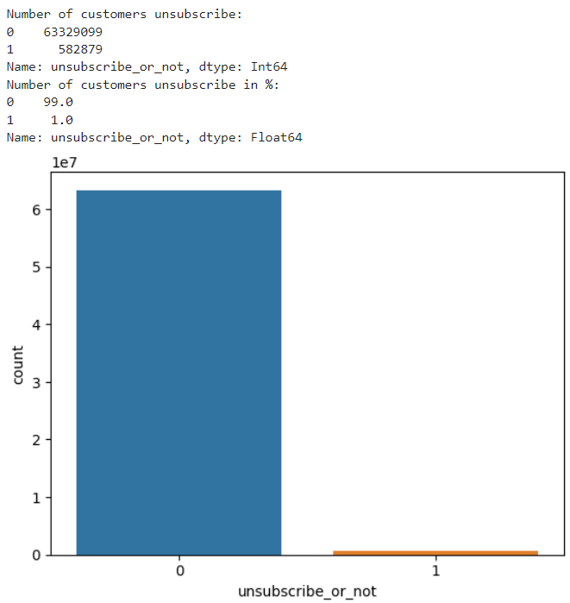
8 | dist_to_store | 26091941
9 | mail_count_assigned_per_customer | 8433789
10 | recent_opt_in_days | 10941653

 | Questions
1 | For 4.76 % of email_id doesnt assigned with cust_id for our data | data has to be imputed or dropped for training
2 | There is no data to display for some cust Id So, because of which lots of values are missing for some features
3 | recent_opt_in_days - As I am considering only sales alert transactions- several opt in dates are missing for me.
4 | I am not able to consider total data as kerner is dying again and again beacuse of memory issue
5 | Only 1 % of customer has unsubscribe so, dataset is imbalance

 |  |  |  | 30 %

